TOTAL
Alkalmazott szűrők: TRANSPORT_MODE egyezik ezzel: Sea Reference type egyezik ezzel: Highlighted references only „QUERY_List_Carrier_name_EDIQ_Act”[LSP] egyezik ezzel: Maersk Date ekkori vagy későbbi a következőnél: 2026.02.16. 0:00:00 és dátuma korábbi, mint 2026.02.23. 0:00:00 SHIPMENT_CANCELLED egyezik ezzel: (Üres) Previous and next 1 year egyezik ezzel: Y KPI_Category nem egyezik ezzel: Mapping

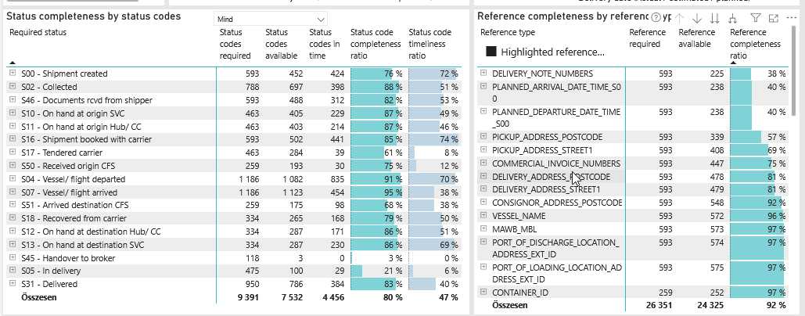
Required status | Status type | „QUERY_List_Carrier_EDIQ_Act”[LSP] | Status codes required | Status codes available | Status codes in time | Status code completeness ratio | Status code timeliness ratio
S00 - Shipment created | Actual | Maersk | 593 | 452 | 424 | 76 % | 72 %
S02 - Collected | Estimated | Maersk | 394 | 349 | 251 | 89 % | 64 %
S02 - Collected | Actual | Maersk | 394 | 348 | 147 | 88 % | 37 %
S46 - Documents rcvd from shipper | Actual | Maersk | 593 | 488 | 312 | 82 % | 53 %
S10 - On hand at origin SVC | Actual | Maersk | 463 | 405 | 229 | 87 % | 49 %
S11 - On hand at origin Hub/ CC | Actual | Maersk | 463 | 403 | 214 | 87 % | 46 %
S16 - Shipment booked with carrier | Actual | Maersk | 593 | 502 | 441 | 85 % | 74 %
S17 - Tendered carrier | Actual | Maersk | 463 | 284 | 39 | 61 % | 8 %
S50 - Received origin CFS | Actual | Maersk | 259 | 193 | 30 | 75 % | 12 %
S04 - Vessel/ flight departed | Estimated | Maersk | 593 | 554 | 462 | 93 % | 78 %
S04 - Vessel/ flight departed | Actual | Maersk | 593 | 528 | 373 | 89 % | 63 %
S07 - Vessel/ flight arrived | Estimated | Maersk | 593 | 565 | 168 | 95 % | 28 %
S07 - Vessel/ flight arrived | Actual | Maersk | 593 | 558 | 286 | 94 % | 48 %
S51 - Arrived destination CFS | Actual | Maersk | 259 | 175 | 98 | 68 % | 38 %
S18 - Recovered from carrier | Actual | Maersk | 334 | 265 | 168 | 79 % | 50 %
S12 - On hand at destination Hub/ CC | Actual | Maersk | 334 | 287 | 171 | 86 % | 51 %
S13 - On hand at destination SVC | Actual | Maersk | 334 | 287 | 230 | 86 % | 69 %
S45 - Handover to broker | Actual | Maersk | 118 | 3 | 0 | 3 % | 0 %
S05 - In delivery | Actual | Maersk | 475 | 100 | 29 | 21 % | 6 %
S31 - Delivered | Estimated | Maersk | 475 | 437 | 328 | 92 % | 69 %
S31 - Delivered | Actual | Maersk | 475 | 349 | 56 | 73 % | 12 %

FCL
Alkalmazott szűrők: TRANSPORT_MODE egyezik ezzel: Sea TRANSPORT_SERVICE_PRIORITY egyezik ezzel: FCL/FCL/FCL Reference type egyezik ezzel: Highlighted references only „QUERY_List_Carrier_name_EDIQ_Act”[LSP] egyezik ezzel: Maersk Date ekkori vagy későbbi a következőnél: 2026.02.16. 0:00:00 és dátuma korábbi, mint 2026.02.23. 0:00:00 SHIPMENT_CANCELLED egyezik ezzel: (Üres) Previous and next 1 year egyezik ezzel: Y KPI_Category nem egyezik ezzel: Mapping

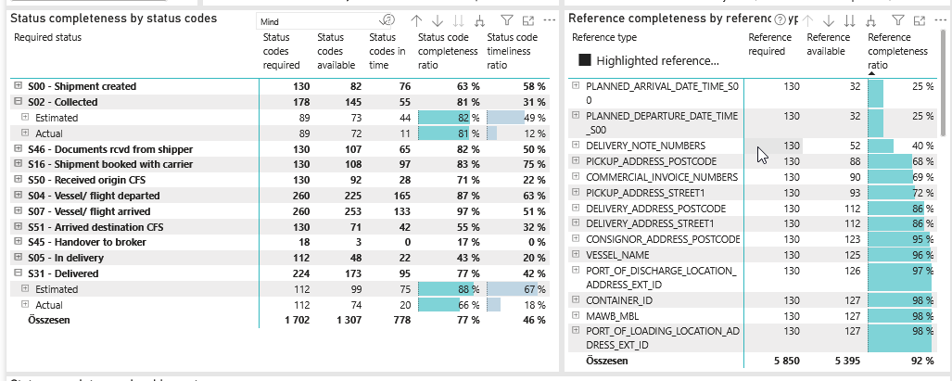
Required status | Status type | „QUERY_List_Carrier_EDIQ_Act”[LSP] | Status codes required | Status codes available | Status codes in time | Status code completeness ratio | Status code timeliness ratio
S00 - Shipment created | Actual | Maersk | 130 | 82 | 76 | 63 % | 58 %
S02 - Collected | Estimated | Maersk | 89 | 73 | 44 | 82 % | 49 %
S02 - Collected | Actual | Maersk | 89 | 72 | 11 | 81 % | 12 %
S46 - Documents rcvd from shipper | Actual | Maersk | 130 | 107 | 65 | 82 % | 50 %
S16 - Shipment booked with carrier | Actual | Maersk | 130 | 108 | 97 | 83 % | 75 %
S50 - Received origin CFS | Actual | Maersk | 130 | 92 | 28 | 71 % | 22 %
S04 - Vessel/ flight departed | Estimated | Maersk | 130 | 113 | 100 | 87 % | 77 %
S04 - Vessel/ flight departed | Actual | Maersk | 130 | 112 | 65 | 86 % | 50 %
S07 - Vessel/ flight arrived | Estimated | Maersk | 130 | 127 | 62 | 98 % | 48 %
S07 - Vessel/ flight arrived | Actual | Maersk | 130 | 126 | 71 | 97 % | 55 %
S51 - Arrived destination CFS | Actual | Maersk | 130 | 71 | 42 | 55 % | 32 %
S45 - Handover to broker | Actual | Maersk | 18 | 3 | 0 | 17 % | 0 %
S05 - In delivery | Actual | Maersk | 112 | 48 | 22 | 43 % | 20 %
S31 - Delivered | Estimated | Maersk | 112 | 99 | 75 | 88 % | 67 %
S31 - Delivered | Actual | Maersk | 112 | 74 | 20 | 66 % | 18 %

LCL
Alkalmazott szűrők: TRANSPORT_MODE egyezik ezzel: Sea TRANSPORT_SERVICE_PRIORITY egyezik ezzel: LCL/LCL/LCL Reference type egyezik ezzel: Highlighted references only „QUERY_List_Carrier_name_EDIQ_Act”[LSP] egyezik ezzel: Maersk Date ekkori vagy későbbi a következőnél: 2026.02.16. 0:00:00 és dátuma korábbi, mint 2026.02.23. 0:00:00 SHIPMENT_CANCELLED egyezik ezzel: (Üres) Previous and next 1 year egyezik ezzel: Y KPI_Category nem egyezik ezzel: Mapping

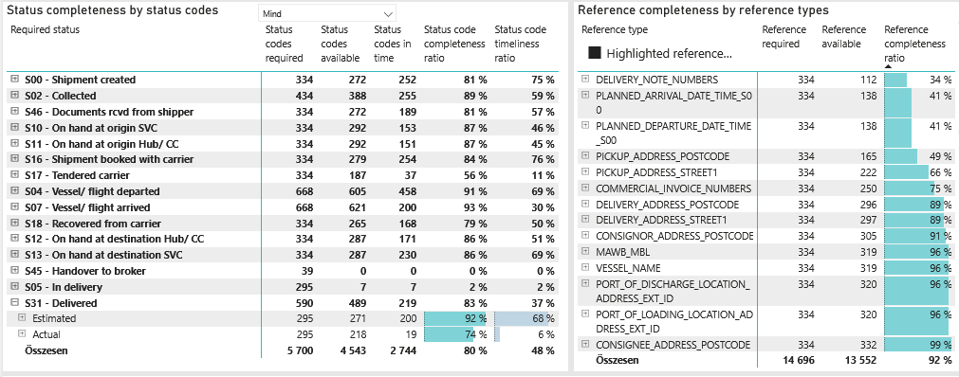
Required status | Status type | „QUERY_List_Carrier_EDIQ_Act”[LSP] | Status codes required | Status codes available | Status codes in time | Status code completeness ratio | Status code timeliness ratio
S00 - Shipment created | Actual | Maersk | 334 | 272 | 252 | 81 % | 75 %
S02 - Collected | Estimated | Maersk | 217 | 195 | 150 | 90 % | 69 %
S02 - Collected | Actual | Maersk | 217 | 193 | 105 | 89 % | 48 %
S46 - Documents rcvd from shipper | Actual | Maersk | 334 | 272 | 189 | 81 % | 57 %
S10 - On hand at origin SVC | Actual | Maersk | 334 | 292 | 153 | 87 % | 46 %
S11 - On hand at origin Hub/ CC | Actual | Maersk | 334 | 292 | 151 | 87 % | 45 %
S16 - Shipment booked with carrier | Actual | Maersk | 334 | 279 | 254 | 84 % | 76 %
S17 - Tendered carrier | Actual | Maersk | 334 | 187 | 37 | 56 % | 11 %
S04 - Vessel/ flight departed | Estimated | Maersk | 334 | 313 | 249 | 94 % | 75 %
S04 - Vessel/ flight departed | Actual | Maersk | 334 | 292 | 209 | 87 % | 63 %
S07 - Vessel/ flight arrived | Estimated | Maersk | 334 | 312 | 54 | 93 % | 16 %
S07 - Vessel/ flight arrived | Actual | Maersk | 334 | 309 | 146 | 93 % | 44 %
S18 - Recovered from carrier | Actual | Maersk | 334 | 265 | 168 | 79 % | 50 %
S12 - On hand at destination Hub/ CC | Actual | Maersk | 334 | 287 | 171 | 86 % | 51 %
S13 - On hand at destination SVC | Actual | Maersk | 334 | 287 | 230 | 86 % | 69 %
S45 - Handover to broker | Actual | Maersk | 39 | 0 | 0 | 0 % | 0 %
S05 - In delivery | Actual | Maersk | 295 | 7 | 7 | 2 % | 2 %
S31 - Delivered | Estimated | Maersk | 295 | 271 | 200 | 92 % | 68 %
S31 - Delivered | Actual | Maersk | 295 | 218 | 19 | 74 % | 6 %

BCO
Alkalmazott szűrők: TRANSPORT_MODE egyezik ezzel: Sea TRANSPORT_SERVICE_PRIORITY egyezik ezzel: LCL/FCL/FCL Reference type egyezik ezzel: Highlighted references only „QUERY_List_Carrier_name_EDIQ_Act”[LSP] egyezik ezzel: Maersk Date ekkori vagy későbbi a következőnél: 2026.02.16. 0:00:00 és dátuma korábbi, mint 2026.02.23. 0:00:00 SHIPMENT_CANCELLED egyezik ezzel: (Üres) Previous and next 1 year egyezik ezzel: Y KPI_Category nem egyezik ezzel: Mapping
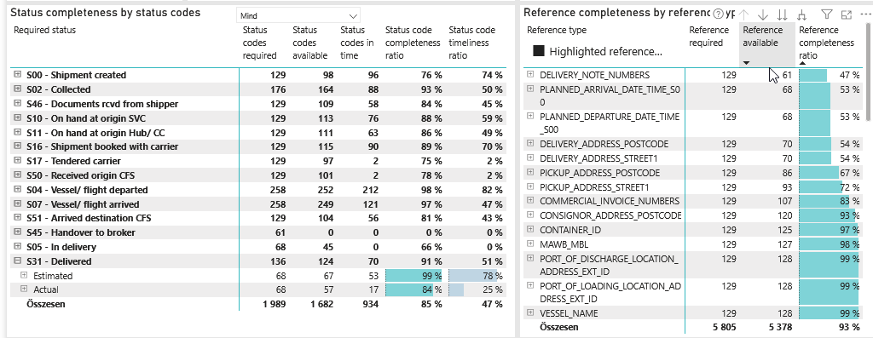
Required status | Status type | „QUERY_List_Carrier_EDIQ_Act”[LSP] | Status codes required | Status codes available | Status codes in time | Status code completeness ratio | Status code timeliness ratio
S00 - Shipment created | Actual | Maersk | 129 | 98 | 96 | 76 % | 74 %
S02 - Collected | Estimated | Maersk | 88 | 81 | 57 | 92 % | 65 %
S02 - Collected | Actual | Maersk | 88 | 83 | 31 | 94 % | 35 %
S46 - Documents rcvd from shipper | Actual | Maersk | 129 | 109 | 58 | 84 % | 45 %
S10 - On hand at origin SVC | Actual | Maersk | 129 | 113 | 76 | 88 % | 59 %
S11 - On hand at origin Hub/ CC | Actual | Maersk | 129 | 111 | 63 | 86 % | 49 %
S16 - Shipment booked with carrier | Actual | Maersk | 129 | 115 | 90 | 89 % | 70 %
S17 - Tendered carrier | Actual | Maersk | 129 | 97 | 2 | 75 % | 2 %
S50 - Received origin CFS | Actual | Maersk | 129 | 101 | 2 | 78 % | 2 %
S04 - Vessel/ flight departed | Estimated | Maersk | 129 | 128 | 113 | 99 % | 88 %
S04 - Vessel/ flight departed | Actual | Maersk | 129 | 124 | 99 | 96 % | 77 %
S07 - Vessel/ flight arrived | Estimated | Maersk | 129 | 126 | 52 | 98 % | 40 %
S07 - Vessel/ flight arrived | Actual | Maersk | 129 | 123 | 69 | 95 % | 53 %
S51 - Arrived destination CFS | Actual | Maersk | 129 | 104 | 56 | 81 % | 43 %
S45 - Handover to broker | Actual | Maersk | 61 | 0 | 0 | 0 % | 0 %
S05 - In delivery | Actual | Maersk | 68 | 45 | 0 | 66 % | 0 %
S31 - Delivered | Estimated | Maersk | 68 | 67 | 53 | 99 % | 78 %
S31 - Delivered | Actual | Maersk | 68 | 57 | 17 | 84 % | 25 %

